Arkusz1
Item | Photo | Style | Code | EAN | Size | QTY | Price | RRP
5730 | 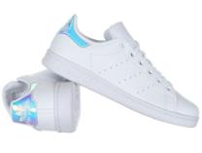 | Buty damskie Adidas STAN SMITH FX7521 | FX7521 | 4064037252838 | 40 | 20 | 33.75 | 79
 |  |  |  | 4064037252845 | 39 1/3 | 20 | 33.75 | 79
 |  |  |  | 4064037252814 | 38 2/3 | 20 | 33.75 | 79
 |  |  |  | 4064037252807 | 38 | 20 | 33.75 | 79
 |  |  |  | 4064037252821 | 37 1/3 | 20 | 33.75 | 79
 |  |  |  | 4064037252852 | 36 2/3 | 10 | 33.75 | 79
 |  |  |  | 4064037252876 | 36 | 10 | 33.75 | 79
 |  |  |  | 4064037252869 | 35,5 | 10 | 33.75 | 79
5670 | 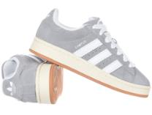 | Buty Adidas CAMPUS 00s HQ8707 | HQ8707 | 4066748532063 | 46 | 1 | 70 | 115
 |  |  |  | 4066748531998 | 45 1/3 | 2 | 70 | 115
 |  |  |  | 4066748493555 | 42 | 1 | 70 | 115
 |  |  |  | 4066748532001 | 36 2/3 | 3 | 70 | 115
5669 | 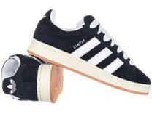 | Buty Adidas CAMPUS 00s HQ8708 | HQ8708 | 4066748532131 | 36 2/3 | 18 | 70 | 115
5391 | 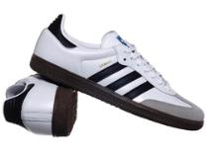 | Buty Adidas SAMBA OG B75806 | B75806 | 4059809046227 | 47 1/3 | 2 | 74.5 | 129
 |  |  |  | 4059809047118 | 46 | 1 | 74.5 | 129
 |  |  |  | 4059809047095 | 45 1/3 | 12 | 74.5 | 129
 |  |  |  | 4059809047132 | 44 2/3 | 3 | 74.5 | 129
 |  |  |  | 4059809046258 | 44 | 6 | 74.5 | 129
 |  |  |  | 4059809047071 | 40 2/3 | 1 | 74.5 | 129
 |  |  |  | 4059809047125 | 38 | 4 | 74.5 | 129
 |  |  |  | 4059809046203 | 36 | 8 | 74.5 | 129
 |  |  |  | 4062061443031 | 35 1/3 | 1 | 74.5 | 129
5197 | 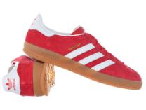 | Buty męskie Adidas GAZELLE INDOOR H06261 | H06261 | 4066746178362 | 46 2/3 | 5 | 76 | 129
 |  |  |  | 4066746178409 | 46 | 6 | 76 | 129
 |  |  |  | 4066746178355 | 45 1/3 | 6 | 76 | 129
 |  |  |  | 4066746178379 | 44 2/3 | 10 | 76 | 129
 |  |  |  | 4066746178423 | 44 | 10 | 76 | 129
 |  |  |  | 4066746182123 | 43 1/3 | 11 | 76 | 129
 |  |  |  | 4066746178386 | 42 2/3 | 5 | 76 | 129
5159 | 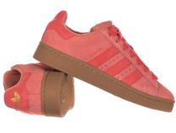 | Buty Adidas CAMPUS 00s IE5587 | IE5587 | 4066765273642 | 40 2/3 | 16 | 66 | 115
 |  |  |  | 4066765273536 | 40 | 34 | 66 | 115
 |  |  |  | 4066765269928 | 39 1/3 | 30 | 66 | 115
 |  |  |  | 4066765273628 | 38 2/3 | 29 | 66 | 115
 |  |  |  | 4066765273567 | 38 | 20 | 66 | 115
 |  |  |  | 4066765273543 | 37 1/3 | 23 | 66 | 115
 |  |  |  | 4066765273574 | 36 2/3 | 9 | 66 | 115
 |  |  |  | 4066765273581 | 36 | 14 | 66 | 115
5149 | 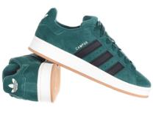 | Buty Adidas CAMPUS 00s IF8763 | IF8763 | 4066764022821 | 42 | 2 | 78 | 115
 |  |  |  | 4066764022883 | 40 2/3 | 2 | 78 | 115
 |  |  |  | 4066764022807 | 40 | 6 | 78 | 115
 |  |  |  | 4066764019999 | 38 | 1 | 78 | 115
 |  |  |  | 4066764022814 | 36 2/3 | 4 | 78 | 115
5911 | 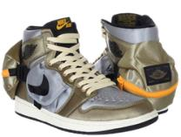 | Buty męskie Nike Air Jordan 1 Utility DO8727-200 | DO8727-200 | 196151896934 | 46 | 1 | 81 | 229
 |  |  |  | 196151896927 | 45.5 | 1 | 81 | 229
 |  |  |  | 196151896910 | 45 | 2 | 81 | 229
 |  |  |  | 196151896903 | 44.5 | 4 | 81 | 229
 |  |  |  | 196151896897 | 44 | 4 | 81 | 229
 |  |  |  | 196151896880 | 43 | 3 | 81 | 229
 |  |  |  | 196151896873 | 42.5 | 2 | 81 | 229
 |  |  |  | 196151896866 | 42 | 5 | 81 | 229
 |  |  |  | 196151896842 | 40.5 | 1 | 81 | 229
 |  |  |  | 196151896835 | 40 | 1 | 81 | 229
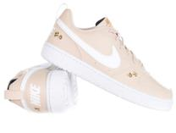 5148 |  | Buty Nike COURT BOROUGH RECRAFT FZ3136-100 | FZ3136-100 | 196975924271 | 40 | 30 | 38 | 115
 |  |  |  | 196975925605 | 39 | 21 | 38 | 115
 |  |  |  | 196975931453 | 38.5 | 28 | 38 | 115
 |  |  |  | 196975930562 | 38 | 22 | 38 | 115
 |  |  |  | 196975933860 | 37.5 | 29 | 38 | 115
 |  |  |  | 196975923557 | 36,5 | 21 | 38 | 115
 |  |  |  | 196975932917 | 36 | 22 | 38 | 115
5146 | 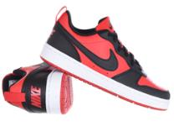 | Buty Nike COURT BOROUGH LOW RECRAFT DV5456-600 | DV5456-600 | 196968173778 | 40 | 13 | 38 | 69
 |  |  |  | 196968173761 | 39 | 2 | 38 | 69
 |  |  |  | 196968173754 | 38.5 | 12 | 38 | 69
 |  |  |  | 196968173747 | 38 | 23 | 38 | 69
 |  |  |  | 196968173730 | 37.5 | 12 | 38 | 69
 |  |  |  | 196968173723 | 36,5 | 6 | 38 | 69
 |  |  |  | 196968173716 | 36 | 3 | 38 | 69
4200 | 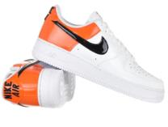 | Buty Nike W Air Force 1 '07 ESS DJ9942-103 | DJ9942-103 | 196149216034 | 41 | 84 | 50 | 579
 |  |  |  | 196149216027 | 40.5 | 52 | 50 | 579
 |  |  |  | 196149215969 | 36,5 | 13 | 50 | 579
 |  |  |  | 196149215952 | 36 | 19 | 50 | 579
 |  |  |  |  |  | 872

